Sheet1
Challenge 46:
Numbers Grouping! Designed by @Mehmet Çiçek
The "Question" table provides a list of Product IDs. We aim to consolidate consecutive numbers and display them in the "Result" table. .
For example as the question table includes all the values between 1001 and 1004, we show them by 1001-04.
Question |  | Result
Product ID |  | Product ID
1006 |  | 1001-04
1003 |  | 1006
1016 |  | 1008-13
1013 |  | 1015-16
1018 |  | 1018 |  |  |  |  | Tick | SS | MS | ES
1008 |  |  | 999 |  |  |  |  | FALSE | FALSE | FALSE | 1,000
1001 |  | 0 | 0 | 1 | 1 | 0 | 0 | FALSE | TRUE | FALSE | 1001 | 0 | 0 | 4 | 1 | 1004 | 1001 | 1001-1004
1015 |  | 0 | 0 | 1 | 1 | 0 | 0 | FALSE | TRUE | FALSE | 1002 | 0 | 1 | 5 | 5 | 1006 | 1006 | 1006
1010 |  | 0 | 0 | 1 | 1 | 0 | 0 | FALSE | TRUE | FALSE | 1003 | 0 | 2 | 11 | 6 | 1013 | 1008 | 1008-1013
1009 |  | 0 | 0 | 1 | 2 | 0 | 0 | FALSE | FALSE | TRUE | 1004 | 0 | 3 | 13 | 12 | 1016 | 1015 | 1015-1016
1012 |  | 1 | 1 | 2 | 2 | 1 | 1 | FALSE | FALSE | FALSE | 1006 | 1 | 4 | 14 | 14 | 1018 | 1018 | 1018
1004 |  | 2 | 1 | 2 | 1 | 2 | 1 | TRUE | FALSE | FALSE | 1008 | 2
1002 |  | 2 | 0 | 1 | 1 | 2 | 0 | FALSE | TRUE | FALSE | 1009 | 2
1011 |  | 2 | 0 | 1 | 1 | 2 | 0 | FALSE | TRUE | FALSE | 1010 | 2
 |  | 2 | 0 | 1 | 1 | 2 | 0 | FALSE | TRUE | FALSE | 1011 | 2
 |  | 2 | 0 | 1 | 1 | 2 | 0 | FALSE | TRUE | FALSE | 1012 | 2
 |  | 2 | 0 | 1 | 2 | 2 | 0 | FALSE | FALSE | TRUE | 1013 | 2
 |  | 3 | 1 | 2 | 1 | 3 | 1 | TRUE | FALSE | FALSE | 1015 | 3
 |  | 3 | 0 | 1 | 2 | 3 | 0 | FALSE | FALSE | TRUE | 1016 | 3
 |  | 4 | 1 | 2 | 0 | 4 | 1 | FALSE | FALSE | FALSE | 1018 | 4
 |  |  |  |  |  |  |  |  |  |  | 1,018

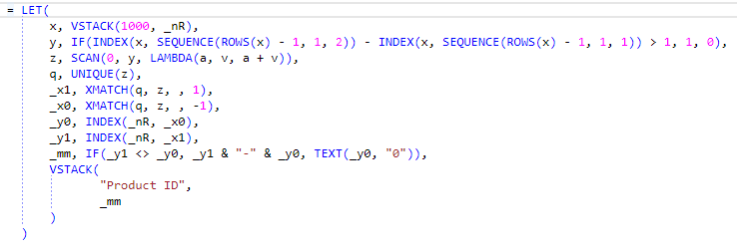
 | Product ID
 | 1001-1004 |  | TRUE
 | 1006 |  | TRUE
 | 1008-1013 |  | TRUE
 | 1015-1016 |  | TRUE
 | 1018 |  | TRUE

